output
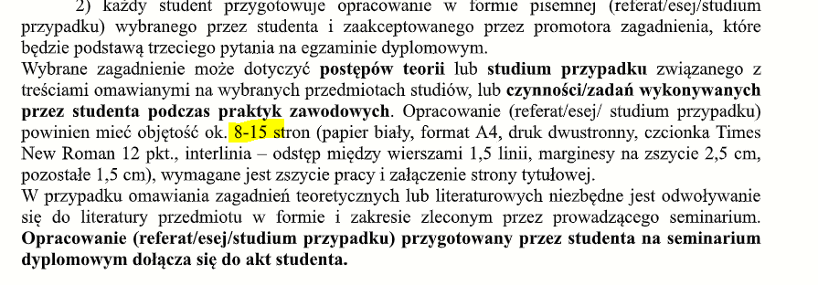
trade id | internal accr | internal fund | internal total | external accr | external fund | external total | Diff Total | Diff accr | Diff fund | CCY
051238 | 1620086.0469 | 12637.356823 | 1632723.4038 | 1620086.0469 | 12637.356823 | 1632723.4038 | 0 | 0 | 0 | USD
051234 | 13449.10354 | 18325.078659 | 31774.1822 | 13449.10354 | 18325.078659 | 31774.1822 | 0 | 0 | 0 | HKD
051237 | 33094.152463 | 130097.49045 | 163191.64291 | 33094.152463 | 130097.49045 | 163191.64291 | 0 | 0 | 0 | EUR
051236 | 13303.572067 | 23042.005413 | 36345.57748 | 13303.572067 | 23042.005413 | 36345.57748 | 0 | 0 | 0 | EUR
051235 | 88943.794412 | 14361.846148 | 103305.64056 | 88943.794412 | 14361.846148 | 103305.64056 | 0 | 0 | 0 | USD

